Loss - Consumer Segment
The following table sets forth the loss experience for the Capital One Master Trust Consumer Segment for each of the periods shown. In each case, the information is grouped by year of account origination. There can be no assurance that the loss experience for receivables in the future will be similar to the historical experience set forth below.

Static Pool Data for the Capital One Master Trust Consumer Segment
Net Loss Rate
 | YTD through |  | Full Year
 | 2019-09-30 | 2018 | 2017 | 2016 | 2015 | 2014
2012 & Prior Originations | 2.47% | 2.38% | 2.22% | 1.94% | 1.88% | 2.03%

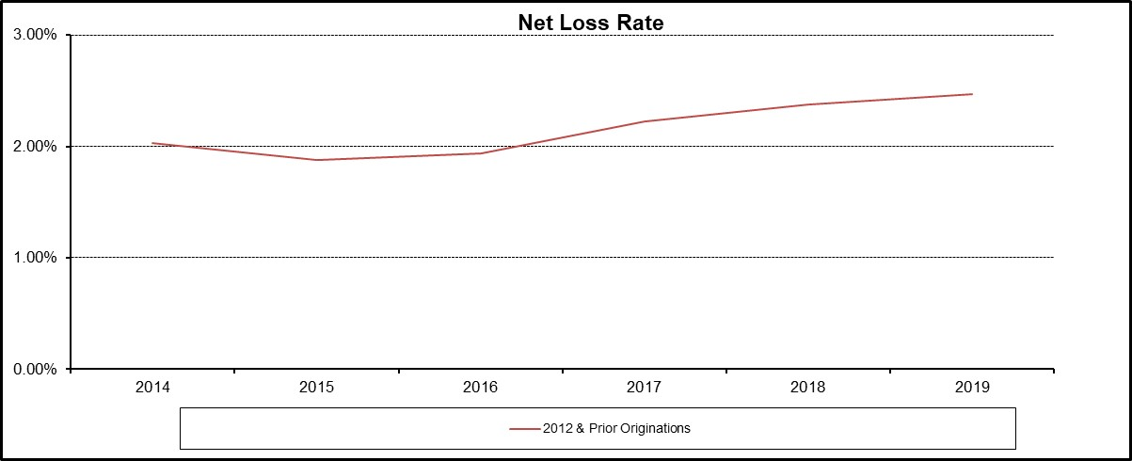

The net loss rate is calculated by dividing the gross losses, net of recoveries, by the average amount of principal receivables outstanding for the applicable period. The origination date for each account is the date on which the account is opened and an account number is assigned. For each account comprising the Master Trust Consumer Segment, performance data is based on the account's performance on and after the date on which such account was added to the Master Trust Consumer Segment. Consumer accounts, with 2012 and prior originations, have been added in Feb’2018 and March’2018

Loss - Small Business Segment
The following table sets forth the loss experience for the Capital One Master Trust Small Business Segment for each of the periods shown. In each case, the information is grouped by year of account origination. There can be no assurance that the loss experience for receivables in the future will be similar to the historical experience set forth below.

Static Pool Data for the Capital One Master Trust Small Business Segment
Net Loss Rate
 | YTD Through |  | Full Year
 | 2019-09-30 | 2018 | 2017 | 2016 | 2015 | 2014
2012 & Prior Orginations | 2.30% | 2.06% | 1.86% | 1.85% | 1.91% | 2.25%
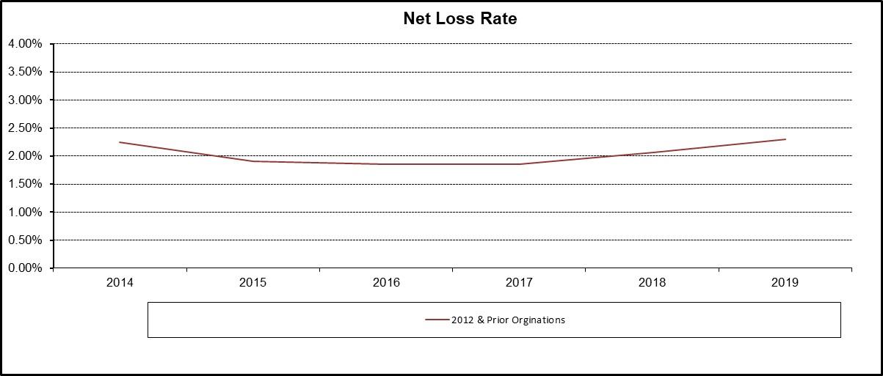

The net loss rate is calculated by dividing the gross losses, net of recoveries, by the average amount of principal receivables outstanding for the applicable period. The origination date for each account is the date on which the account is opened and an account number is assigned. For each account comprising the Master Trust Small Business Segment, performance data is based on the account's performance on and after the date on which such account was added to the Master Trust Small Business Segment. Small Business accounts, with 2012 and prior originations, have been added in March’2018

