PPR-Consumer Segment
The following table sets forth the principal payment rate experience for the Capital One Master Trust Consumer Segment for each of the periods shown. In each case, the information is grouped by year of account origination. There can be no assurance that the principal payment rate experience for receivables in the future will be similar to the historical experience set forth below.

Static Pool Data for the Capital One Master Trust Consumer Segment
Principal Payment Rate
 | YTD through
 | 2020-03-31 | 2019 | 2018 | 2017 | 2016 | 2015
2012 & Prior Originations | 31.24% | 30.95% | 29.37% | 26.92% | 25.52% | 24.44%
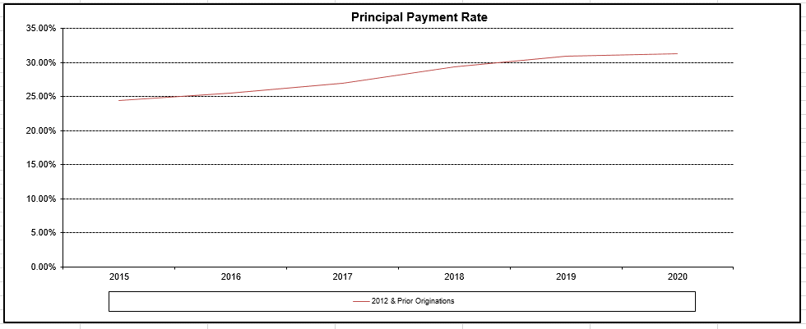

The monthly principal payment rate for any month is calculated as the total amount of principal payments received during such month divided by the sum of (i) the amount of principal receivables outstanding as of the beginning of such month and (ii) with respect to accounts added to the Master Trust Portfolio during such month, the amount of principal receivables outstanding in such accounts as of the related addition date. The origination date for each account is the date on which the account is opened and an account number is assigned. For each account comprising the Master Trust Consumer Segment, performance data is based on the account's performance on and after the date on which such account was added to the Master Trust Consumer Segment.
Consumer accounts, with 2012 and prior originations, have been added in Feb’2018 and March’2018

PPR - Small Business Segment
The following table sets forth the principal payment rate experience for the Capital One Master Trust Small Business Segment for each of the periods shown. In each case, the information is grouped by year of account origination. There can be no assurance that the principal payment rate experience for receivables in the future will be similar to the historical experience set forth below.

B3
A7
A7
A7
A7
A7
No ∆
No ∆
No ∆
No ∆
No ∆
Static Pool Data for the Capital One Master Trust Small Business Segment
Principal Payment Rate
 | YTD Through
 | 2020-03-31 | 2019 | 2018 | 2017 | 2016 | 2015
2012 & Prior Orginations | 55.47% | 57.05% | 53.47% | 51.10% | 48.91% | 48.03%

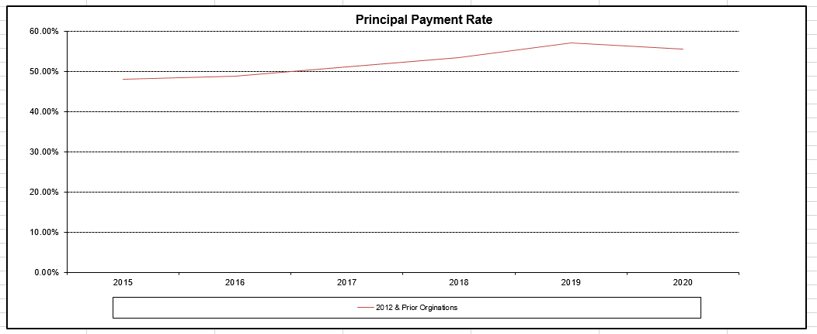

The monthly principal payment rate for any month is calculated as the total amount of principal payments received during such month divided by the sum of (i) the amount of principal receivables outstanding as of the beginning of such month and (ii) with respect to accounts added to the Master Trust Small Business Segment during such month, the amount of principal receivables outstanding in such accounts as of the related addition date. The origination date for each account is the date on which the account is opened and an account number is assigned. For each account comprising the Master Trust Small Business Segment, performance data is based on the account's performance on and after the date on which such account was added to the Master Trust Small Business Segment. Small Business accounts, with 2012 and prior originations, have been added in March’2018

