Yield - Consumer Segment
The following table sets forth the yield experience for the Capital One Master Trust Consumer Segment for each of the periods shown. In each case, the information is grouped by year of account origination. There can be no assurance that the yield experience for receivables in the future will be similar to the historical experience set forth below.

Static Pool Data for the Capital One Master Trust Consumer Segment
Yield
 | YTD through
 | 2020-12-31 | 2019 | 2018 | 2017 | 2016 | 2015
2015 & Prior Originations | 22.10% | 22.39% | 21.54% | 20.42% | 20.15% | 20.22%

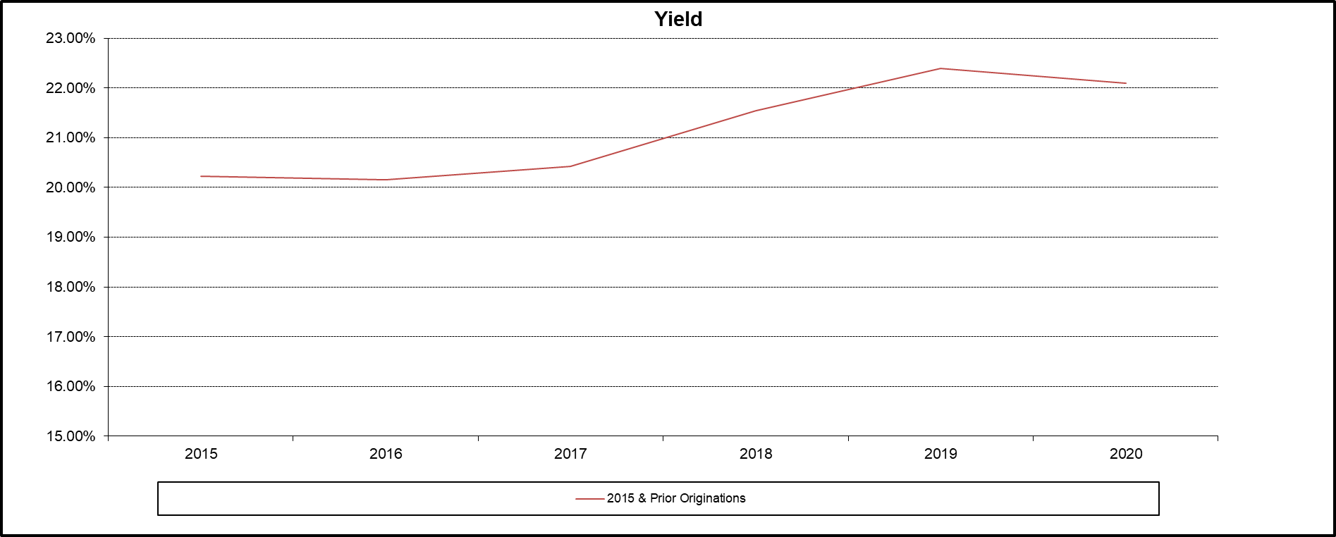

Yield is calculated by dividing the amount of prior month billed finance charges and fees, and interchange by the average principal receivables outstanding for the applicable period. Finance charges and fees include monthly periodic rate finance charges, the portion of the annual membership fees amortized on a monthly basis, cash advance fees, late charges, overlimit fees and other miscellaneous fees. The origination date for each account is the date on which the account is opened and an account number is assigned. For each account comprising the Master Trust Consumer Segment, performance data is based on the account's performance on and after the date on which such account was added to the Master Trust Consumer Segment. Consumer accounts, with 2015 and prior originations, have been added in July’2020.

Yield - Small Business Segment
The following table sets forth the yield experience for the Capital One Master Trust Small Business Segment for each of the periods shown. In each case, the information is grouped by year of account origination. There can be no assurance that the yield experience for receivables in the future will be similar to the historical experience set forth below.

B4
A8
A8
A8
A8
A8
No ∆
No ∆
No ∆
No ∆
No ∆
Static Pool Data for the Capital One Master Trust Small Business Segment
Yield
 | YTD through
 | 2020-12-31 | 2019 | 2018 | 2017 | 2016 | 2015
2012 & Prior Orginations | 28.70% | 28.40% | 27.24% | 26.15% | 26.05% | 26.69%

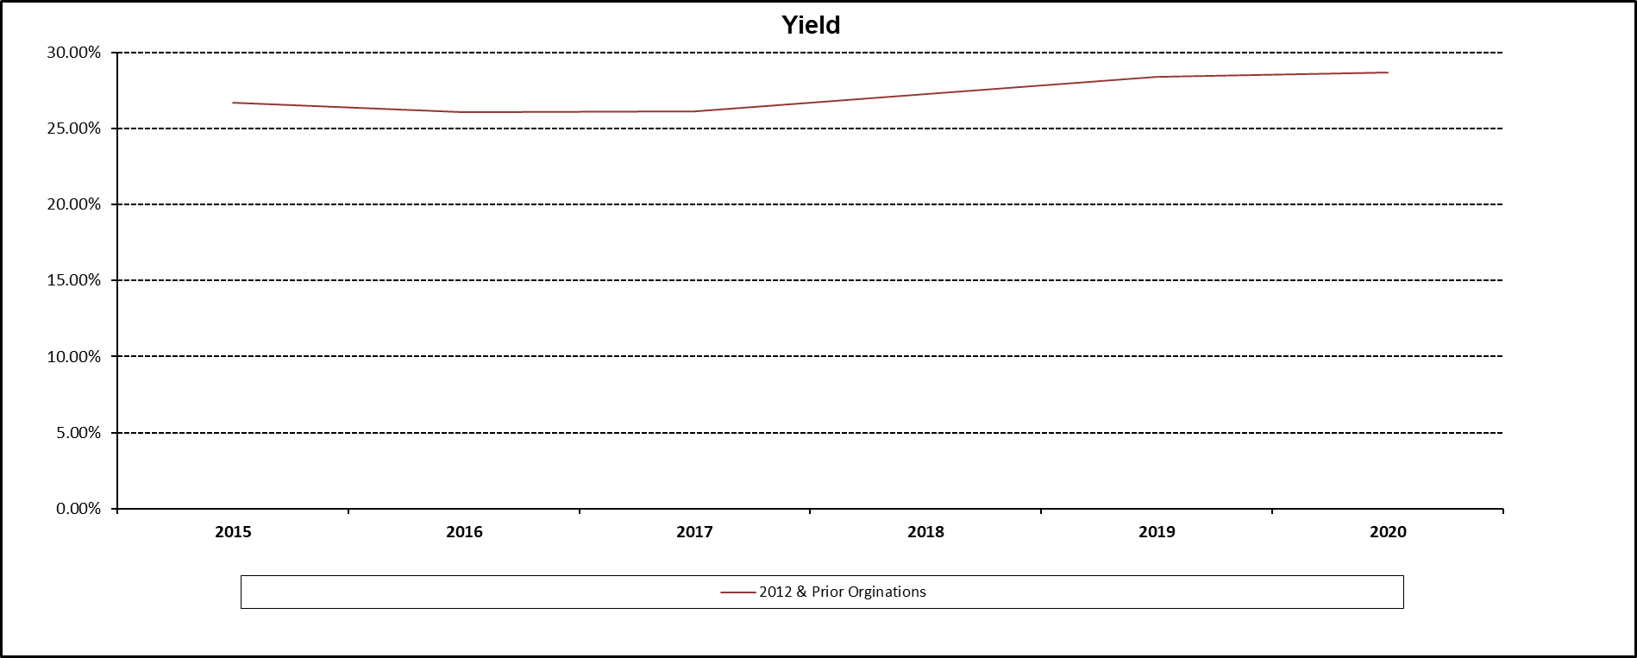

Yield is calculated by dividing the amount of prior month billed finance charges and fees, and interchange by the average principal receivables outstanding for the applicable period. Finance charges and fees include monthly periodic rate finance charges, the portion of the annual membership fees amortized on a monthly basis, cash advance fees, late charges, overlimit fees and other miscellaneous fees. The origination date for each account is the date on which the account is opened and an account number is assigned. For each account comprising the Master Trust Small Business Segment, performance data is based on the account's performance on and after the date on which such account was added to the Master Trust Small Business Segment. Small Business accounts, with 2012 and prior originations, have been added in March’2018

